Siemens Mftg plan
 |  |  | Count Weeks | 1 | 2 | 3 | 4 | 5 | 6 | 7 | 8 | 9 | 10 | 11 | 12 | 13 | 14 | 15 | 16 | 17 | 18 | 19 | 20 | 21 | 22 | 23 | 24 | 25 | 26 | 27 | 28 | 29 | 30 | 31 | 32 | 33 | 34 | 35 | 36 | 37 | 38 | 39 | 40 | 41
 |  |  | Friday: MFG Completion Dates/Ship | 2020-04-17 | 2020-04-24 | 2020-05-01 | 2020-05-08 | 2020-05-15 | 2020-05-22 | 2020-05-29 | 2020-06-05 | 2020-06-12 | 2020-06-19 | 2020-06-26 | 2020-07-03 | 2020-07-10 | 2020-07-17 | 2020-07-24 | 2020-07-31 | 2020-08-07 | 2020-08-14 | 2020-08-21 | 2020-08-28 | 2020-09-04 | 2020-09-11 | 2020-09-18 | 2020-09-25 | 2020-10-02 | 2020-10-09 | 2020-10-16 | 2020-10-23 | 2020-10-30 | 2020-11-06 | 2020-11-13 | 2020-11-20 | 2020-11-27 | 2020-12-04 | 2020-12-11 | 2020-12-18 | 2020-12-25 | 2021-01-01 | 2021-01-08 | 2021-01-15 | 2021-01-22
 |  |  |  |  |  |  |  |  |  |  |  |  |  |  |  |  |  |  | 1 |  |  | 2 | 1 |  |  |  |  | 1 | 1
2 B
 |  |  | MFG Rework 4, Expedite, Buy New Parts, Lead Time |  |  |  |  |  | Lead Time to Qty
 | Production Modules | 15 Modules a Week | Up Grade 4 Units in FG and Ramp to Production Rate |  |  |  |  |  |  |  | 2 | 4 | 6 | 8 | 8 | 6 | 8 | 10 | 15 | 15 | 9 | 15 | 15 | 15 | 15 | 15 | 15 | 15 | 15 | 15 | 9 | 15 | 15 | 15 | 15 | 15 | 15 | 15 | 15 | 5 | 360 | 12.0

Ship/Arrive on site
 |  |  | MKE2 | Site 1 |  |  |  |  |  |  | 2 | 6 | 12 | 20 | 28 | 34
 |  |  | ATL2 | Site 2 |  |  |  |  |  |  |  |  |  |  |  | 4 | 12 | 22 | 37
 |  |  | BOI2 | Site 3 |  |  |  |  |  |  |  |  |  |  |  |  |  |  | 7 | 22 | 31
 |  |  | DSM5 | Site 4 |  |  |  |  |  |  |  |  |  |  |  |  |  |  |  |  | 1 | 16 | 31
 |  |  | BFL1 | Site 5 |  |  |  |  |  |  |  |  |  |  |  |  |  |  |  |  |  |  | 1 | 16 | 31
 |  |  | AKC1 | Site 6 |  |  |  |  |  |  |  |  |  |  |  |  |  |  |  |  |  |  |  |  | 1 | 16 | 31
 |  |  | PCW1 | Site 7 |  |  |  |  |  |  |  |  |  |  |  |  |  |  |  |  |  |  |  |  |  |  | 1 | 16 | 31
 |  |  |  | Site 8 |  |  |  |  |  |  |  |  |  |  |  |  |  |  |  |  |  |  |  |  |  |  |  |  | 1 | 16 | 25 | 40
 |  |  |  | Site 9 |  |  |  |  |  |  |  |  |  |  |  |  |  |  |  |  |  |  |  |  |  |  |  |  |  |  |  | 10 | 25 | 40
 |  |  |  | Site 10 |  |  |  |  |  |  |  |  |  |  |  |  |  |  |  |  |  |  |  |  |  |  |  |  |  |  |  |  |  | 10 | 25 | 40
 |  |  |  | Site 11 |  |  |  |  |  |  |  |  |  |  |  |  |  |  |  |  |  |  |  |  |  |  |  |  |  |  |  |  |  |  |  | 10 | 25 | 40
 |  |  |  | Site 12 |  |  |  |  |  |  |  |  |  |  |  |  |  |  |  |  |  |  |  |  |  |  |  |  |  |  |  |  |  |  |  |  |  | 10 | 25 | 30

 | Color Legend |  | MKE2 install 7/17-7/31 ----- Amazon FR 7/19 Launch 8/16
 | SO Load/Prod LT (14Wks) |  | ATL2 install 8/7-8/21----- Amazon FR 8/2 Launch 8/23
 | Engineering Release SAP |  | BOI2 install 8/21-9/4----- Amazon FR 8/30 Launch 9/27
 | RWK, Expedite New |  | DSM5 install 9/4-9/18----- Amazon FR 9/27 Launch 10/4
 | Build Existing Stock |  | BFL1 install 9/18-10/2----- Amazon FR 7/19 Launch 7/26
 | Short Holiday Wk |  | AKC1 install 10/2-10/16----- Amazon FR 8/2 Launch 8/16
 | No Fill, New Series Prod |  | PCW1 install 10/16-10/30----- Amazon FR 8/2 Launch 8/30
 | Contract Award: Go
 |  |  |  |  |  |  |  |  |  |  |  |  |  |  |  |  |  |  |  |  |  |  |  |  |  |  |  |  |  |  |  |  |  |  |  |  |  |  |  |  |  | 2020-02-19 | 2020-05-19

Covid19 Impact
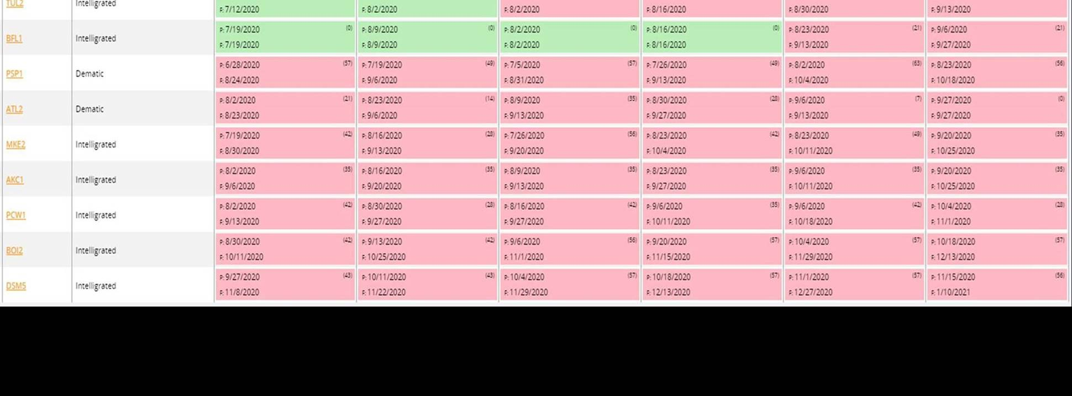
# | Sites | Building Size | Vendor | First Recv IQ/OQ | First Receive IQ/OQ w/covid19 | Frist Receive | First Receive w/covid19 | First Ship | First Ship w/covid19 | Destackers Available | Siemens Install Proposal | Intelligrated Dematic
1 | MKE2 | 640K | INTL | 2020-07-19 | 2020-08-30 | 2020-08-16 | 2020-09-13 | 2020-08-23 | 2020-10-04 | 2020-07-17 | 7/17 - 7/31 | 7/26 - 8/17
2 | ATL2 | 640K | DEM | 2020-08-02 | 2020-08-23 | 2020-08-23 | 2020-09-06 | 2020-08-30 | 2020-09-27 | 2020-08-07 | 8/7 - 8/21 | -
3 | BOI2 | 640K | INTL | 2020-08-30 | 2020-10-11 | 2020-09-13 | 2020-10-25 | 2020-09-20 | 2020-11-15 | 2020-08-21 | 8/21 -9/4 | 8/10 - 8/31
4 | DSM5 | 640K | INTL | 2020-09-27 | 2020-11-08 | 2020-10-11 | 2020-11-22 | 2020-10-18 | 2020-12-13 | 2020-09-18 | 9/4 - 9/18 | 8/17 - 9/7
5 | AKC1 | 640K | INTL | 2020-08-02 | 2020-09-06 | 2020-08-16 | 2020-09-20 | 2020-08-23 | 2020-09-27 | 2020-10-02 | 10/2 - 10/23 | 8/2 - 8/25
6 | BFL1 | 640K | INTL | 2020-07-19 | 2020-07-19 | 2020-08-09 | 2020-08-09 | 2020-08-16 | 2020-08-16 | 2020-09-04 | 9/18 -10/2 | -
7 | PCW1 | 640K | INTL | 2020-08-02 | 2020-09-13 | 2020-08-30 | 2020-09-27 | 2020-09-06 | 2020-10-11 | 2020-10-16 | 10/16 - 11/11 | 8/2 - 8/25

